Playground
 | UNITED NATIONS HUMAN SETTLEMENTS PROGRAMME / UN HABITAT
 | Project Location: Megalacad, Somali Region and Chinaksen, Oromia Region
 | Donors : SDC and the Government of Sweden
 | Project: Strengthening Resilience of Disaster-Affected Communities Through Durable Solutions in Oromia and Somali Regions of Ethiopia
 | Description of Works:-This Bill of Quantities (BoQ) outlines the construction of a public space (Child-friendly space) to provide essential support for children's psychosocial well-being, physical development, and social integration. The spaces are expected to be safe, structured environments for active play. Contractors are required to fill aggregated prices as per the template attached in the ToR. This table is intended to indicate description of Works.
 | The construction should be undertaken in the highest of quality to meet safety and durability requirements and must get written approval from UN Habitat focal person before handover. All waste and excess soil be cleaned and removed from site and dispose of in a proper manner.

Description of Works and Estimate for a Community Playground

B. Outdoor playground
No | Description of work | Unit | Qty | Unit Cost (ETB) excl VAT | Total Cost (ETB) without VAT | Remark
1 | Sign Board
 | Provide and install a Project Identification sign board made of galvanized and coated steel sheet size (2m × 1.5m) to be erected with two 80x80x40mm RHS posts at a visibly advantageous height, securely anchored in concrete footing. Institute logos to be CNC cut shapes. Contractor to submit shop drawing for UN Habitat focal person's approval before production. | LS | 1 |  | -
2 | Site work & greenery
2.1 | Site clearing to completely remove the top soil to an average depth of 50 cm on ordinary soil. Price shall include clearing of any debris & vegetation | m² | 500 |  | -
2.2 | Excavate in ordinary soil up to a depth of 50cm from reduced level for perimeter masonry fencing | m³ | 175 |  | -
2.3 | Cart away surplus excavated material away from the site as per the instruction of the Engineer to a appropriate location. | m³ | 425 |  | -
2.4 | Fencing
2.4.a | Construct perimeter fencing with masonry and mortar (50cm width) up to an average of 50cm below FFL and 30cm above internal walkway level. For the part exposed above the ground, the finished facing of the stones must be smooth with mortar joints grouted | m³ | 34 |  | -
2.4.b | Using 50×50×4 mm angular post c/c @2m, height 2m and horizontal angle iron of 30x30x3mm members, erect a galvanized chain-link mesh (thickness 2.5mm, c/c 50mm) fencing along the perimeter of the playground. Price shall include a 30x30x40cm depth mass concrete anchorage for the metal posts, 1 coat anti rust primer coating and additional oil based acrylic paint, as final finish, to be painted 24 hours after the 1st application, at early morning or late afternoon when the metal is not hot. | ml | 85 |  | -
2.4.c | Produce the entrance gate with 75x75x4mm RHS post and high quality hinge and locks. Price shall include all necessary works, applying wire mesh, accessories and 2 coats anti rust paints. Refer drawing for size and details | No | 1 |  | -
2.5 | Greenery
2.5.a | Supply, well decomposed animal manure or equivalent organic matter to be mixed with the soil 50-50 to an average 50cm depth and to use in backfilling for planting pits where marked on site plan, for gardening bedding. Price shall include all the necessary works to complete the work. Contractor to provide 1kg sample fertilizer and details of supplier with quotation for the engineer's approval. | m3 | 42.9 |  | -
2.5.b | Provide and plant good quality, locally suited grass as per the instructions of the engineer where indicated on drawing. Price shall include surface preparation, watering, bedding and full care from the start of the project to the duration of 3 months | m2 | 158 |  | -
2.5.c | Provide and plant locally indigenous trees, well recommended for its aesthetic and shade from the sun. The trees are to be well matured and not less than 2m height to increase their survival rate. Contractor must ascertain the trees' survival during handover. | No | 7 |  | -
2.5.d | Provide a variety of flowers with good survival rates for dry climate, plant and care over the areas marked green on the drawing | No | 25 |  | -
2.5.e | Provide good quality soil appropriate for vegetable growing and cover the 4 gardening beds with 4 types of vegetable seeds. The work must be coordinated with selected community members for skills transfer in watering and care. Price to include provision of garden soil, fill up to 30cm depth and the coordination of selected community member in the planting and watering exercise. | m3 | 10.2 |  | -
2.5.f | Maintenance of grass, trees, flowers and vegetable bed including weeding, watering, spreading of manure, good earth , protection from animals and human activities. Rates to include all labour and tools for a period of 2 months after germination to ascertain survival rate and sustained growth. | Month | 2 |  | -
2.6 | Walkway: Where indicated on drawing, fill with selected material and compact (40cm) for walkway bedding on top of laid out perforated PVC pipes for ground drainage. The PCV pipes should be laid on top of coarse gravel with red ash bedding. Construct 100mm thick cast-in-situ mass concrete pavement in concrete class C-20. The work shall include provision and laying of 1-inch (2.5cm) galvanized wire mesh in the slab. Provide construction joint every 5mt with 10mm chip wood or Styrofoam and finish off with broken ceramic or marble pieces for aesthetics . Edges and corners must be extra reinforced and well defined to avoid chipping. The work shall be done providing appropriate slope as indicated in the drawing. The contractor must notify engineer for approval of mix ratio and quality. | m2 | 177.46 |  | -
2.7 | Concrete curb for walkway: Provide and construct 15cm wide Class C SOLID concrete blocks (HCB) and construct 2 courses as curb stone (appx 45cm height) as shown on the drawing. Cover the Concrete blocks with galvanised honeycomb wire mesh to stop the development of cracks and finish off with concrete plaster coating defining sharp edges and corners. Price shall include wire mesh and all necessary works such as bending and cutting and fine finish plaster for the part above the ground (20cm) | ml | 77.51 |  | - |  | 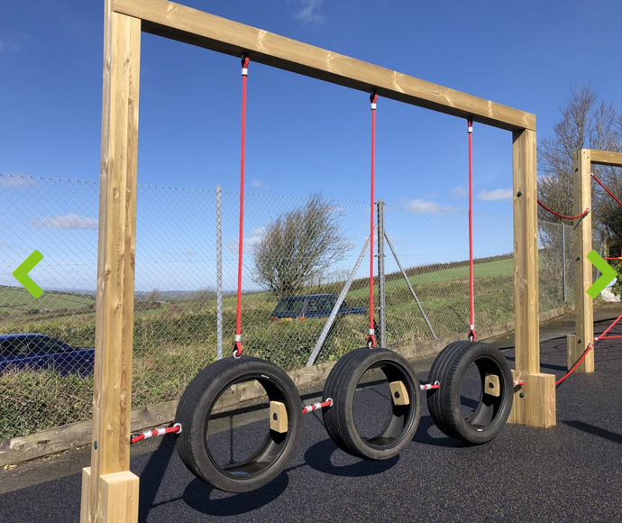
2.8 | Sand pit: Provide and fill kids sand play area with fine, washed, rounded sand (<1.25mm), ensuring proper drainage by burying Dia 50mm perforated PVC cushioned on sand or red ash base and coarse rock cover, draining towards the nearest drain point. Price shall include provision of perforated pipe and necessary works | m3 | 17 |  | -
2.9 | Gabion works
2.9.a | Using Dia 0.6cm wire rode c/c 10cm tied with connecting wire, construct a gabion bench and fill with various coloured stones bigger than 10cm in size. The frames of the box are to be galvanized L-angle iron (30x30x4mm) with welded connections to make a box. SIZES: Length: 2000 mm, Seat height: 450 mm (finished), Seat depth: 600 mm, Gabion box size (base): 2x 500x500x400mm ht , Seat: Pine wood/Timber min thickness 50 mm. Refer detail drawings. Price shall include all accessories, enamel painting the wooden plank and two coats of paint on all metal parts. | No | 2 |  | - |  | 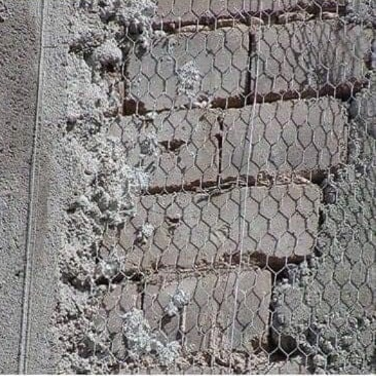
2.9.b | Gabion long bench: Done in a similar way as the 2m length bench. Refer the drawing for sizes and details | No | 1 |  | -
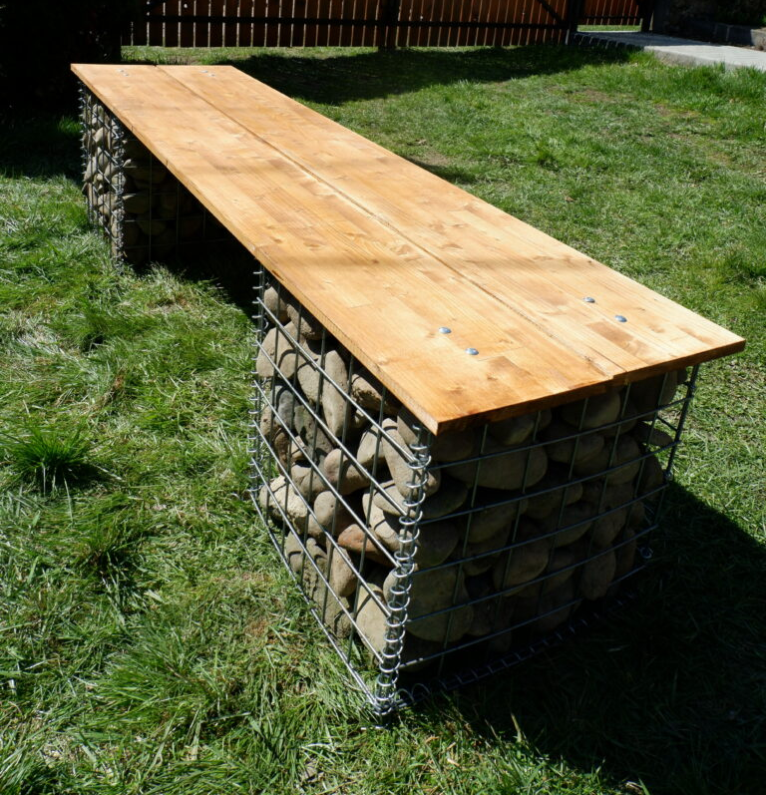
2.9.c | Gabion circular bench: Done in a similar way as the other benches but supported on 6 gabion boxes. Refer the drawing for sizes and details. Note that the price includes sun-screen roof cover to be made from HDPE netting shade on wooden posts anchored in mass concrete as indicated in drawing | No | 1 |  | -
2.9.d | Construct an entrance emphasis with a gabion structure. Assemble and construct an arch using dia 16mm steel as main and 8mm steel mesh reinforcement bar. Refer detail drawing separately attached. Price shall include filling the rebar arch with coloured crushed stones (>10cm) up to the indicated height and all necessary foundation works to anchored within the ground | No | 1 |  | -
3 | Play equipment
 | Used tires provided for playground should have uniform size as much as possible. Their conditions should be fairly used and not worn-out. The contractors must remove any sharp parts, exposed wires etc and must clean all tires thoroughly before use. Where indicated, tires should be connected firmly with 2'' diameter bolt and washers. Metal RHS and angle iron parts should be properly welded, grind and polished for smooth surface finish that is safe for kids.
3.1 | Tire parking rack : Space for stacking 10 used tires for kids play. The rack is to be made from 25mm galvanised steel pipes, cut into indicated sizes and joined with 90 degree bends (elbow) and T- pipe accessories as shown in the drawing. The rack must be secured in the ground by anchoring indicated members in mass concrete. Price includes provision of 10 tires that are painted with 10 different colours. Tires should be from automobiles and in a good-enough and safe states (no wire and sharp parts) and should be thoroughly washed and painted with heavy-duty acrylic paint, specifically designed to bond with rubber surfaces and withstand heavy use and outdoor elements | No | 1 |  | -
3.2 | Animal ride: Imitation of an animal to be made from one recycled tire half-buried in the ground. The neck part is to be made from Dia 75mm PVC pipe with vertically inserted Dia 6mm two reinforcement bars tied with connecting wires before a concrete is poured in the pipe. 90 degree PVC elbow, a Y- and end-caps are to be connected to imitate the face. The final finished paint is to be yellowish to resemble camels. Price to include all material provision and labour including finish as well as a 30cm coarse sand fill along the perimeter of the play area. Note one of the animal rides has a shorter height | No | 2 |  | - |  | 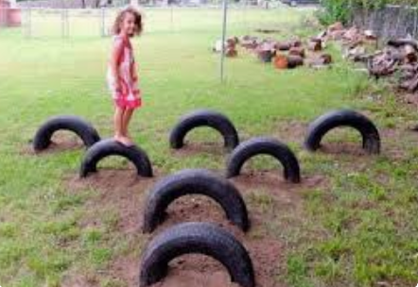
3.3 | Car ride: Imitation of an automobile to be made from 6 smaller and one big recycled tires buried in the ground as car parts and additional 2 tires laid horizontally to support a wooden seat. The finished structure should be clean, safe with no sharp edges, exposed wires etc and painted with heavy duty and durable acrylic bright colour. The wooden seats must be water proofed with enamel paint and bolted seamlessly to the tire underneath. Price is to include all material provision and labour including finish as well as a 30cm coarse sand fill along the perimeter of the play area | No | 1 |  | -
3.4 | Walk-balance challenge. Rows of 9 recycled tires of similar size half-inserted in the ground. All surface should be clean, safe with no sharp edges, exposed wires etc and painted with heavy duty and durable acrylic bright multi colours. Price to include all material provision and labour including finish as well as a 30cm coarse sand fill in between and along the perimeter of the play area. | No | 1 |  | -
3.4 | Climb challenge: A play set of various levels of climbing challenges for kids, to be constructed like a play-house. Structure is to have RHS metal posts, wooden parts, stainless steel slide and recycled tires tied with metal chains. Allmetal connections are to be welded or bolted. Refer details from drawing. All surface should be clean, safe with no sharp edges, exposed wires etc and painted with heavy duty and durable acrylic bright colour. Price is to include all material provision and labour including finish as well as a 30cm coarse sand fill along the perimeter of the play area. all structures to be tested for safety and verified before handover. | No | 1 |  | -
4 | miscellaneous
4.1 | Compound lighting with solar power. Pole Length: 390 meters, Required Poles: 4 , Light Type: 60 W LED Luminaire ; lamp holder- dye cast aluminium, Foundation: Concrete base (typically 0.6m x 0.6m x 1m deep). Price should include all associated tasks. Vendor must get approval of the design before procurement and installation | No | 4 |  | -
4.2 | 5000lit vertical fibre water storage tanker with rectangularly built masonry seat and two outlets with standard durable taps to handwash station and to vegetable garden. The handwash station is to be cabinet type with dual tap and sink and is to be made of fibre glass. The hight should be considerate of use by small kids. Price shall include durable chrome tap and all necessary accessories to extend water supply from water tanker. The used -up grey water discharge is to used for the vegetable garden by using flexible hose for extension. Price to include the handwash station, water tanker, the construction of the base , provision and installation of all materials and accessories. | No | 1 |  | -
4.3 | Supply & fix cylindrical trash bins made from galvanized steel (1.5mm thickness), depth: min 900mm, width 600mm with lid- Cover and cladded externally with 60*40mm weather resistant brown colour wooden strips for natural look. The contractor shall provide shop drawing for approval. Price shall include production and fixing on bin seating base. | No | 2 |  | -

 | Total Carried to Summary |  |  |  | -
 | 15% V.A.T |  |  |  | -
 | Grand Total with VAT in ETB |  |  |  | -

