Security of Tenure

Security of Tenure
Question | Score | Ranking | Indicators
 |  | 1 | Strongly Disagree | False | Extremely Inappropriate
Most people in my city live on land that is legally protected. |  | 2 | Disagree | Mostly Untrue | Inappropriate
Individuals in my city are granted procedural guarantees against forced eviction, harassment and other arbitrary interference to privacy and household rights. |  | 3 | Unsure | Undecided | Unclear
Evictions rarely result in individuals becoming homeless or vulnerable to human rights violation with government providing housing alternatives. |  | 4 | Agree | Mostly True | Appropriate
Compensation, resettlement or provision for restitution is made when eviction and/or dispossessions occur. |  | 5 | Strongly Agree | Very True | Extremely appropriate
There is a publicly accessible land registration system to ensure accurate documentation regarding ownership to land.
TOTAL | 0
Percentage score | 0

Availability of Services
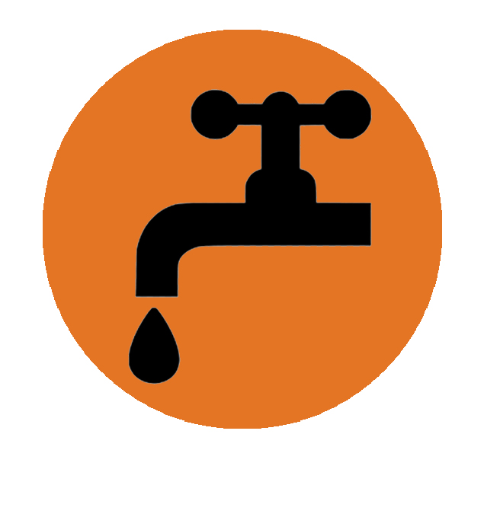
Availability of services, materials, facilities and infrastructures
Question | Score | Ranking | Indicators
 |  | 1 | Strongly Disagree | False | Extremely Inappropriate
In my city, there are subsidies/ different pricing mechanisms designed to ensure affordable access to basic services by the poor. |  | 2 | Disagree | Mostly Untrue | Inappropriate
In my city, most of the population has access to safe and affordable drinking water. |  | 3 | Unsure | Undecided | Unclear
In my city, adequate sanitation and washing facilities are available in most households. |  | 4 | Agree | Mostly True | Appropriate
Energy for cooking, heating and lighting are easily accessible at affordable prices in my city. |  | 5 | Strongly Agree | Very True | Extremely appropriate
Means of safe refuse disposal are readily present and solid waste produced at household level is adequately managed, regularly collected and disposed in my city.
TOTAL | 0
Percentage score | 0

Affordability
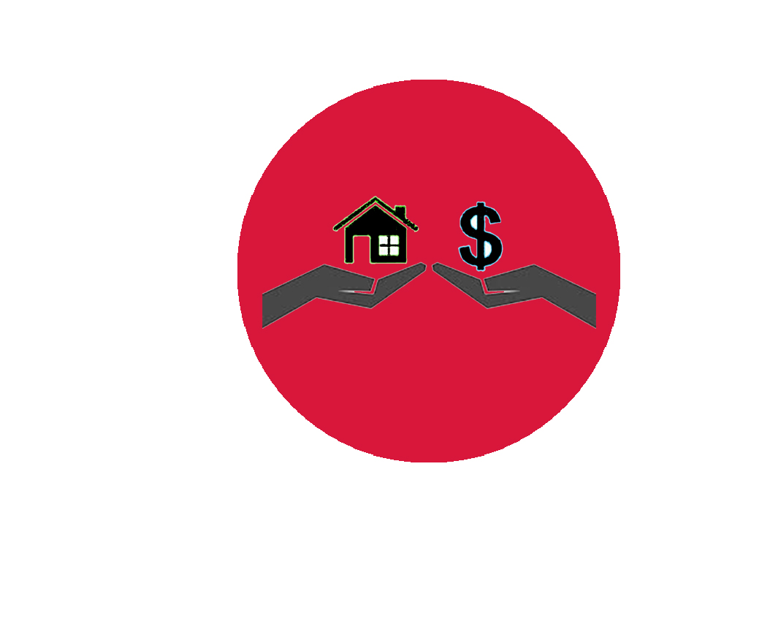
Affordability
Question | Score | Ranking | Indicators
 |  | 1 | Strongly Disagree | False | Extremely Inappropriate
A national definition of ‘affordable housing’ exists, is adopted by policies and it is practiced in my city. |  | 2 | Disagree | Mostly Untrue | Inappropriate
The financial costs associated with home ownership and rental housing in my city are commensurate with the income levels of the population. |  | 3 | Unsure | Undecided | Unclear
The costs associated with housing rarely compromise the attainment of other basic needs in my city by its population (for example, food, education, transport, clothing, access to health care etc). |  | 4 | Agree | Mostly True | Appropriate
Tenants in my city are legally protected from unreasonable (increase of) rent levels or live in homes subject to rent control or are protected from forced evictions. |  | 5 | Strongly Agree | Very True | Extremely appropriate
Housing subsidies, tax incentives, policies and market regulation are in place in my city to enable access to affordable housing by those households earning low incomes.
TOTAL | 0
Percentage score | 0

Habitability
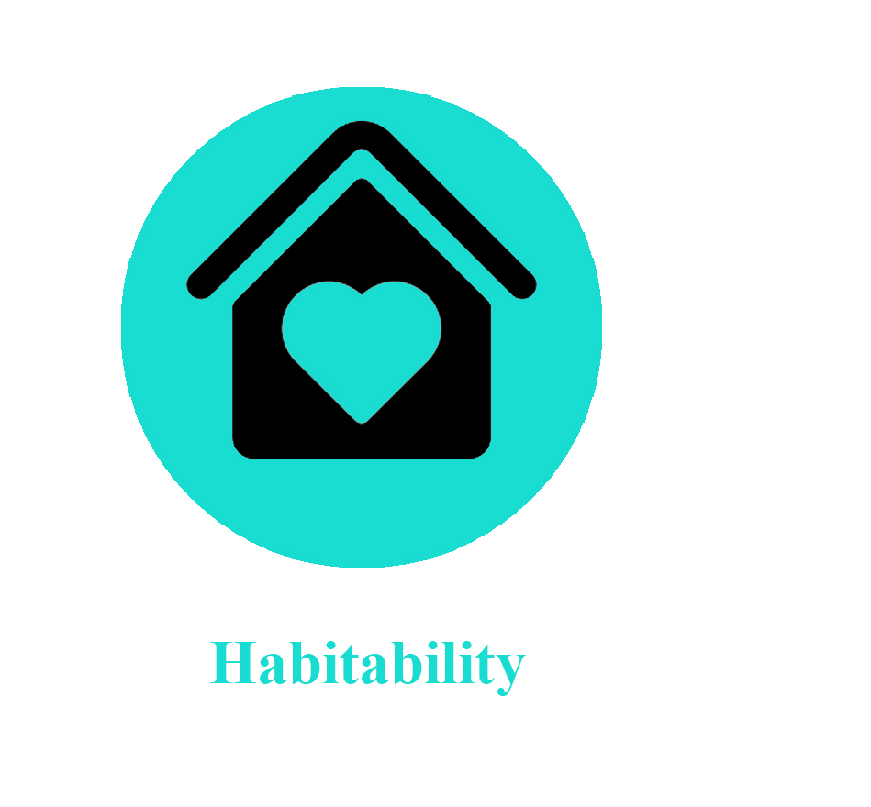
Habitability
Question | Score | Ranking | Indicators
 |  | 1 | Strongly Disagree | False | Extremely Inappropriate
In my city, most people reside in structurally sound houses/buildings that provide adequate space and protection from cold, damp, heat, rain, wind and other threats. |  | 2 | Disagree | Mostly Untrue | Inappropriate
In my city, most people live in housing that is free of infestations from vermin, roaches, termites, moulds etc and occupants are shielded from diseases vectors that can threaten their health. |  | 3 | Unsure | Undecided | Unclear
Most of the housing structures in my city are provided with natural or mechanical ventilation and are free of threatening pollutants in the air that affect the health of residents. |  | 4 | Agree | Mostly True | Appropriate
Most of the housing in my city are provided with adequate natural or artificial illumination to permit normal indoor activities. |  | 5 | Strongly Agree | Very True | Extremely appropriate
Laws and policies have been adopted and enforced in my city to regulate environmental degradation and to guarantee the right to a safe environment.
TOTAL | 0
Percentage score | 0

Accessibility
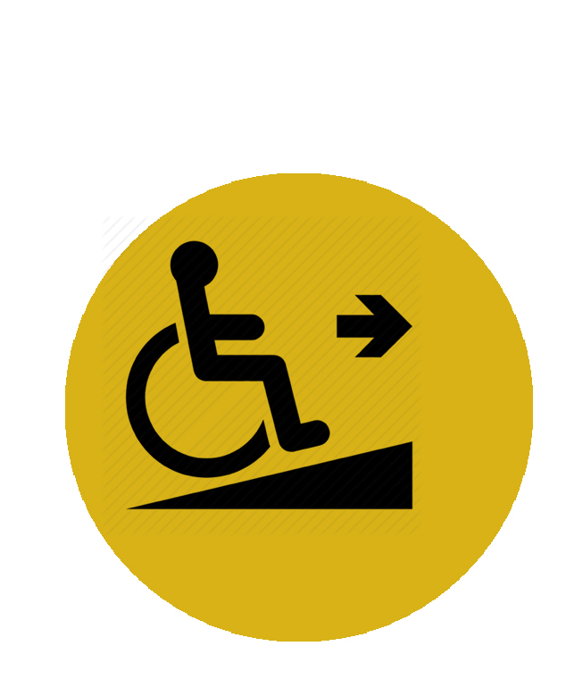
Accessibility
Question | Score | Ranking | Indicators
 |  | 1 | Strongly Disagree | False | Extremely Inappropriate
In my city, housing laws and policies are in place to enable disadvantaged, vulnerable and marginalized groups to access affordable housing that meet their needs. |  | 2 | Disagree | Mostly Untrue | Inappropriate
The policies adopted and implemented in my city enables the access to land by landless, discriminated and impoverished segments of the society. |  | 3 | Unsure | Undecided | Unclear
Policies and strategies are in place in my city to facilitate a sustained transition from institutions to community-based living arrangements for persons with disabilities and victims of natural disasters. |  | 4 | Agree | Mostly True | Appropriate
In my city, there are policies and measures adopted by government to enable access to adequate housing in compliance to gender equality with attention to the elderly and children. |  | 5 | Strongly Agree | Very True | Extremely appropriate
The policies adopted and implemented in my city enables the access to land by landless, discriminated and impoverished segments of the society.
TOTAL | 0
Percentage score | 0

Location

Location
Question | Score | Ranking | Indicators
 |  | 1 | Strongly Disagree | False | Extremely Inappropriate
In my city, people have easy access to health-care services, schools, child-care centres and other social facilities close to their place of residence. |  | 2 | Disagree | Mostly Untrue | Inappropriate
In my city, the temporal and financial costs of getting to and from work (commuting) do not place additional pressure upon the household budgets of the population. |  | 3 | Unsure | Undecided | Unclear
Most inhabitants in my city do not live in houses built on polluted sites nor in immediate proximity to pollution sources that could threaten their health. |  | 4 | Agree | Mostly True | Appropriate
Inhabitants of my city are comfortable walking alone at night on the streets without fearing the occurrence of crime-related incidents. |  | 5 | Strongly Agree | Very True | Extremely appropriate
Most people in my city have key facilities like public transport, parking spaces, playgrounds, public spaces and grocery markets within walking distance from their residences.
TOTAL | 0
Percentage score | 0

Summary
Housing Rights Diamond
Dimensions | Percentage Score
Security of Tenure | 0
Availability of Services | 0
Affordability | 0
Habitability | 0
Accessibility | 0
Location | 0
Cultural Adequacy | 0

